Day4 - IRR & Flat Rate
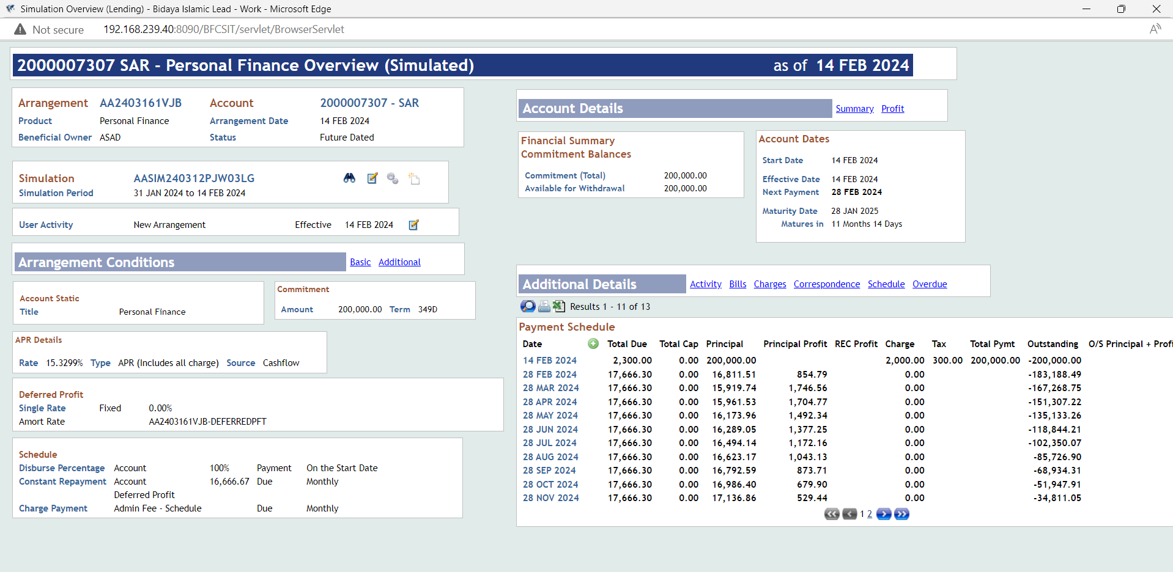
Simulation Details
System Date | 31-Jan-24
Amount | 200,000 | Profit Start Date | 15-Feb-24
Rate | 12.00% | Total Profit | 11,995.63 | 12,545.57
Term | 1Y | Instalment Amount | 17,666.30
1st Instalment Date | 28-Feb-24 | APR | 15.330% |  |  |  |  |  | 15.33000%
Last Intalment Date | 28-Jan-25 | Flat Rate | 6.27%
Simulation Reference | AASIM240312PJW03LG | # on Accrual Days | 348 | Arrangement | AA24031JMN87

Payment Schedule
Date | Defer Date | Total Due | Total Cap | Principal | Principal Profit | REC Profit = IRR | Charge | Tax | Total Pymt | Outstanding
14-Feb-24 |  | 2,300.00 | 0 | 200,000.00 |  |  | 2,000.00 | 300 | -197,700.00 | -200,000.00
28-Feb-24 | 13 | 17,666.30 | 0 | 16,811.51 | 854.79 | 12.00% | 0 |  | 17,666.30 | -183,188.49
28-Mar-24 | 29 | 17,666.30 | 0 | 15,919.74 | 1,746.56 | 12.00% | 0 |  | 17,666.30 | -167,268.75
28-Apr-24 | 31 | 17,666.30 | 0 | 15,961.53 | 1,704.77 | 12.00% | 0 |  | 17,666.30 | -151,307.22
28-May-24 | 30 | 17,666.30 | 0 | 16,173.96 | 1,492.34 | 12.00% | 0 |  | 17,666.30 | -135,133.26
28-Jun-24 | 31 | 17,666.30 | 0 | 16,289.05 | 1,377.25 | 12.00% | 0 |  | 17,666.30 | -118,844.21
28-Jul-24 | 30 | 17,666.30 | 0 | 16,494.14 | 1,172.16 | 12.00% | 0 |  | 17,666.30 | -102,350.07
28-Aug-24 | 31 | 17,666.30 | 0 | 16,623.17 | 1,043.13 | 12.00% | 0 |  | 17,666.30 | -85,726.90
28-Sep-24 | 31 | 17,666.30 | 0 | 16,792.59 | 873.71 | 12.00% | 0 |  | 17,666.30 | -68,934.31
28-Oct-24 | 30 | 17,666.30 | 0 | 16,986.40 | 679.9 | 12.00% | 0 |  | 17,666.30 | -51,947.91
28-Nov-24 | 31 | 17,666.30 | 0 | 17,136.86 | 529.44 | 12.00% | 0 |  | 17,666.30 | -34,811.05
28-Dec-24 | 30 | 17,666.30 | 0 | 17,322.96 | 343.34 | 12.00% | 0 |  | 17,666.30 | -17,488.09
28-Jan-25 | 31 | 17,666.33 | 0 | 17,488.09 | 178.24 | 12.00% | 0 |  | 17,666.33 | 0
 | 348 |  | 15.00 |  | 11,995.63
Arrangement / Contract Details
System Date | 31-Jan-24
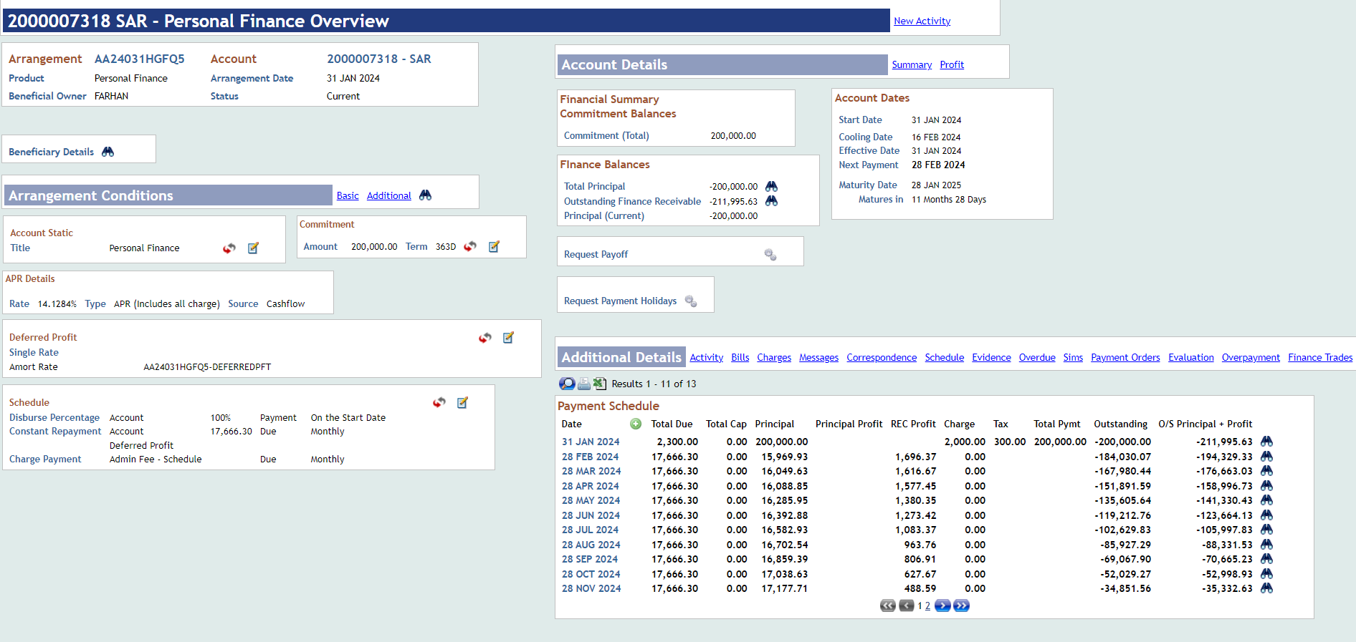
Amount | 200,000 | Profit Start Date | 31-Jan-24
Rate | 11.06% | Total Profit | 11,995.63 |  | IRR | 12.00% |  |  | -0.94%
Term | 1Y | Instalment Amount | 17,666.30
1st Instalment Date | 28-Feb-24 | APR | 14.1284% |  | 6.00%
Last Intalment Date | 28-Jan-25 | Flat Rate | 6.03% | 12,061.72
Arrangement Reference | AA24031HGFQ5 | # on Accrual Days | 363
IS Contract | IS24031XRVB9

Payment Schedule
Date | Defer Date | Total Due | Total Cap | Principal | Principal Profit | REC Profit | Charge | Tax | Total Pymt | Outstanding | O/S Principal + Profit
31-Jan-24 |  | 2,300.00 | 0 | 200,000.00 |  |  | 2,000.00 | 300 | 200,000.00 | -200,000.00 | '-211,995.63'
28-Feb-24 | 28.00 | 17,666.30 | 0 | 15,969.93 |  | 1,696.37 | 0 | 11.06% |  | -184,030.07 | '-194,329.33'
28-Mar-24 | 29.00 | 17,666.30 | 0 | 16,049.63 |  | 1,616.67 | 0 | 11.06% |  | -167,980.44 | '-176,663.03'
28-Apr-24 | 31.00 | 17,666.30 | 0 | 16,088.85 |  | 1,577.45 | 0 | 11.06% |  | -151,891.59 | '-158,996.73'
28-May-24 | 30.00 | 17,666.30 | 0 | 16,285.95 |  | 1,380.35 | 0 | 11.06% |  | -135,605.64 | '-141,330.43'
28-Jun-24 | 31.00 | 17,666.30 | 0 | 16,392.88 |  | 1,273.42 | 0 | 11.06% |  | -119,212.76 | '-123,664.13'
28-Jul-24 | 30.00 | 17,666.30 | 0 | 16,582.93 |  | 1,083.37 | 0 | 11.06% |  | -102,629.83 | '-105,997.83'
28-Aug-24 | 31.00 | 17,666.30 | 0 | 16,702.54 |  | 963.76 | 0 | 11.06% |  | -85,927.29 | '-88,331.53'
28-Sep-24 | 31.00 | 17,666.30 | 0 | 16,859.39 |  | 806.91 | 0 | 11.06% |  | -69,067.90 | '-70,665.23'
28-Oct-24 | 30.00 | 17,666.30 | 0 | 17,038.63 |  | 627.67 | 0 | 11.06% |  | -52,029.27 | '-52,998.93'
28-Nov-24 | 31.00 | 17,666.30 | 0 | 17,177.71 |  | 488.59 | 0 | 11.06% |  | -34,851.56 | '-35,332.63'
28-Dec-24 | 30.00 | 17,666.30 | 0 | 17,349.58 |  | 316.72 | 0 | 11.06% |  | -17,501.98 | '-17,666.33'
28-Jan-25 | 31.00 | 17,666.33 | 0 | 17,501.98 |  | 164.35 | 0 | 11.06% |  | 0 | 0
 | 363.00 |  |  |  |  | 11,995.63

Variance Analysis | Offer Letter | Finance Arrangement | Difference
Profit Start Date | 15-Feb-24 | 31-Jan-24
Profit Amount | 11,995.63 | 11,995.63 | -
IRR | 12.00% | 11.06% | -0.94%
APR | 15.3299% | 14.1284% | -1.2015%
Flat Rate | 6.27% | 6.03% | -0.2419%

The approved IRR rate for 350 days however in workaround solution goes to 365 days which resulted changed in approved IRR.
There is an impact on reporting where IRR is missing on AA.ARR.INTEREST
CRC & CRF reports will not reflects any rate in finance report
Impact on Early settlement amount
Impact on Early settlement fee and partial ssettlement fee amounts
Impact on APR if workaround approach is also used for simulation

Day4 - Partial Settlement
PARTIAL SETTLEMENT - ORIGINAL (1 of 3)

Payment Schedule
Date | Defer Date | Total Due | Total Cap | Principal | REC Profit | Charge | Tax | Total Pymt | Outstanding | O/S Principal + Profit
18-Jan-23 |  | 2,000.00 | 0 | 200,000.00 |  | 2,000.00 |  | 200,000.00 | -200,000.00 | -235,967.12
18-Feb-23 |  | 13,109.28 | 0 | 9,427.43 | 3,681.85 |  |  |  | -190,572.57 | -222,857.84
18-Mar-23 |  | 13,109.28 | 0 | 9,940.50 | 3,168.78 |  |  |  | -180,632.07 | -209,748.56
18-Apr-23 |  | 13,109.28 | 0 | 9,783.98 | 3,325.30 |  |  |  | -170,848.09 | -196,639.28 | System Date
18-May-23 |  | 13,109.28 | 0 | 10,065.56 | 3,043.72 |  |  |  | -160,782.53 | -183,530.00 |  | 5 INSTALLMENT | 65,546.40
18-Jun-23 |  | 13,109.28 | 0 | 10,149.40 | 2,959.88 |  |  |  | -150,633.13 | -170,420.72 |  | 5 PROFIT | 12,731.13 | 13,655.58
18-Jul-23 |  | 13,109.28 | 0 | 10,425.70 | 2,683.58 |  |  |  | -140,207.43 | -157,311.44 |  | 5 PRINCIPAL | 52,815.27 | 51,890.82
18-Aug-23 |  | 13,109.28 | 0 | 10,528.17 | 2,581.11 |  |  |  | -129,679.26 | -144,202.16
18-Sep-23 |  | 13,109.28 | 0 | 10,721.99 | 2,387.29 |  |  |  | -118,957.27 | -131,092.88
18-Oct-23 |  | 13,109.28 | 0 | 10,990.01 | 2,119.27 |  |  |  | -107,967.26 | -117,983.60 |  | 5 PRINCIPAL | 52,815.27 | 52,815.27
18-Nov-23 |  | 13,109.28 | 0 | 11,121.69 | 1,987.59 |  |  |  | -96,845.57 | -104,874.32 |  | 5 PROFIT | 12,731.13 | 12,731.13
18-Dec-23 |  | 13,109.28 | 0 | 11,383.94 | 1,725.34 |  |  |  | -85,461.63 | -91,765.04 |  | 5 INSTALLMENT | 65,546.40 | 65,546.40 | Transaction Amount
18-Jan-24 |  | 13,109.28 | 0 | 11,536.00 | 1,573.28 |  |  |  | -73,925.63 | -78,655.76
18-Feb-24 |  | 13,109.28 | 0 | 11,748.37 | 1,360.91 |  |  |  | -62,177.26 | -65,546.48
18-Mar-24 |  | 13,109.28 | 0 | 12,038.49 | 1,070.79 |  |  |  | -50,138.77 | -52,437.20
18-Apr-24 |  | 13,109.28 | 0 | 12,186.26 | 923.02 |  |  |  | -37,952.51 | -39,327.92
18-May-24 |  | 13,109.28 | 0 | 12,433.14 | 676.14 |  |  |  | -25,519.37 | -26,218.64
18-Jun-24 |  | 13,109.28 | 0 | 12,639.49 | 469.79 |  |  |  | -12,879.88 | -13,109.36
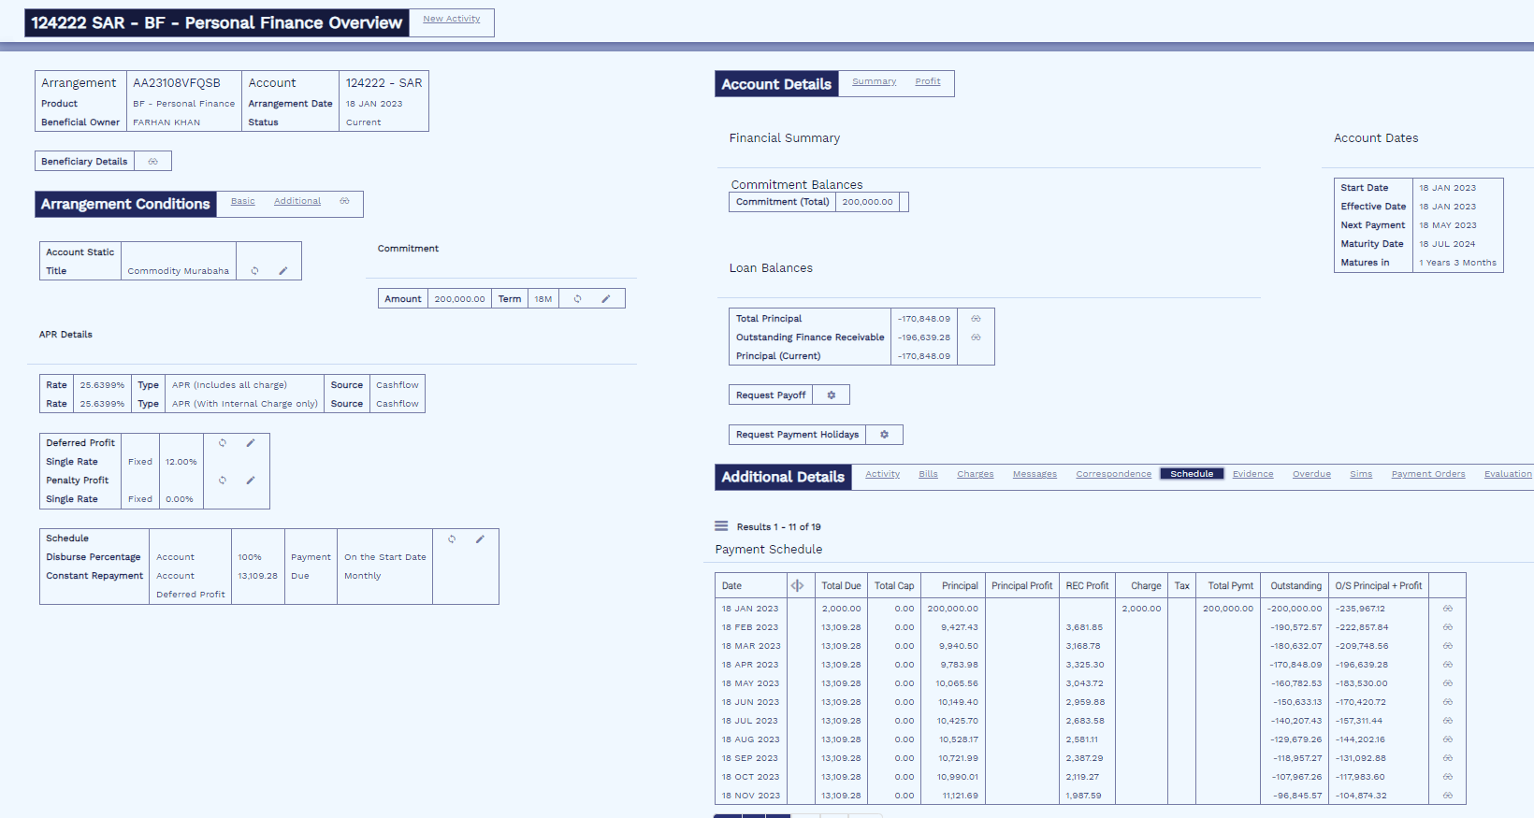
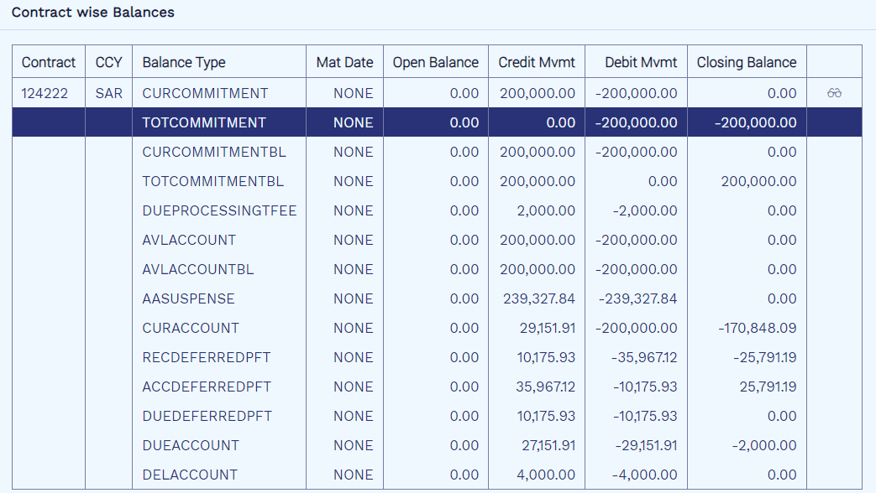
18-Jul-24 |  | 13,109.36 | 0 | 12,879.88 | 229.48 |  |  |  | 0 | 0
 |  |  |  | 200,000.00 | 35,967.12

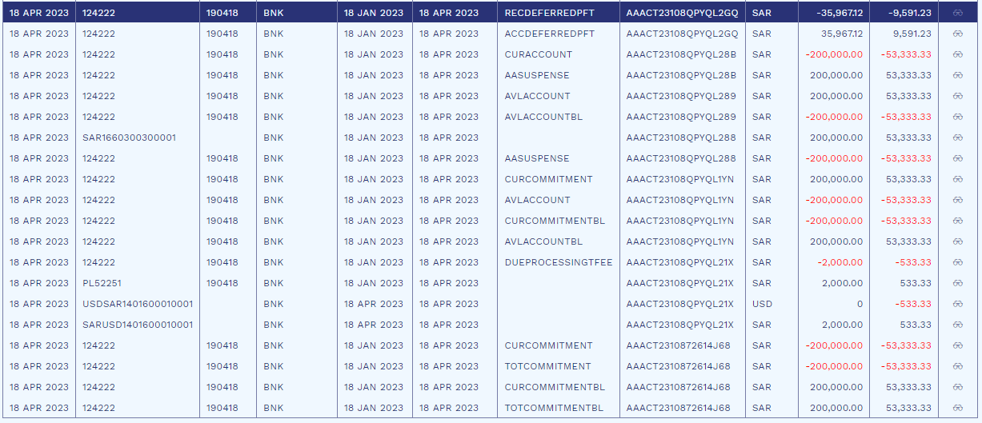

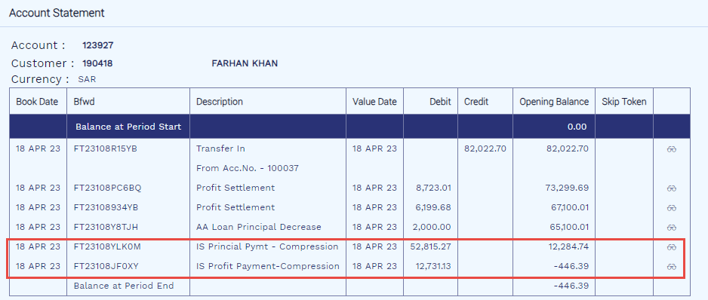
After 5 Inst. Compression As Advance Installment (2 of 3)
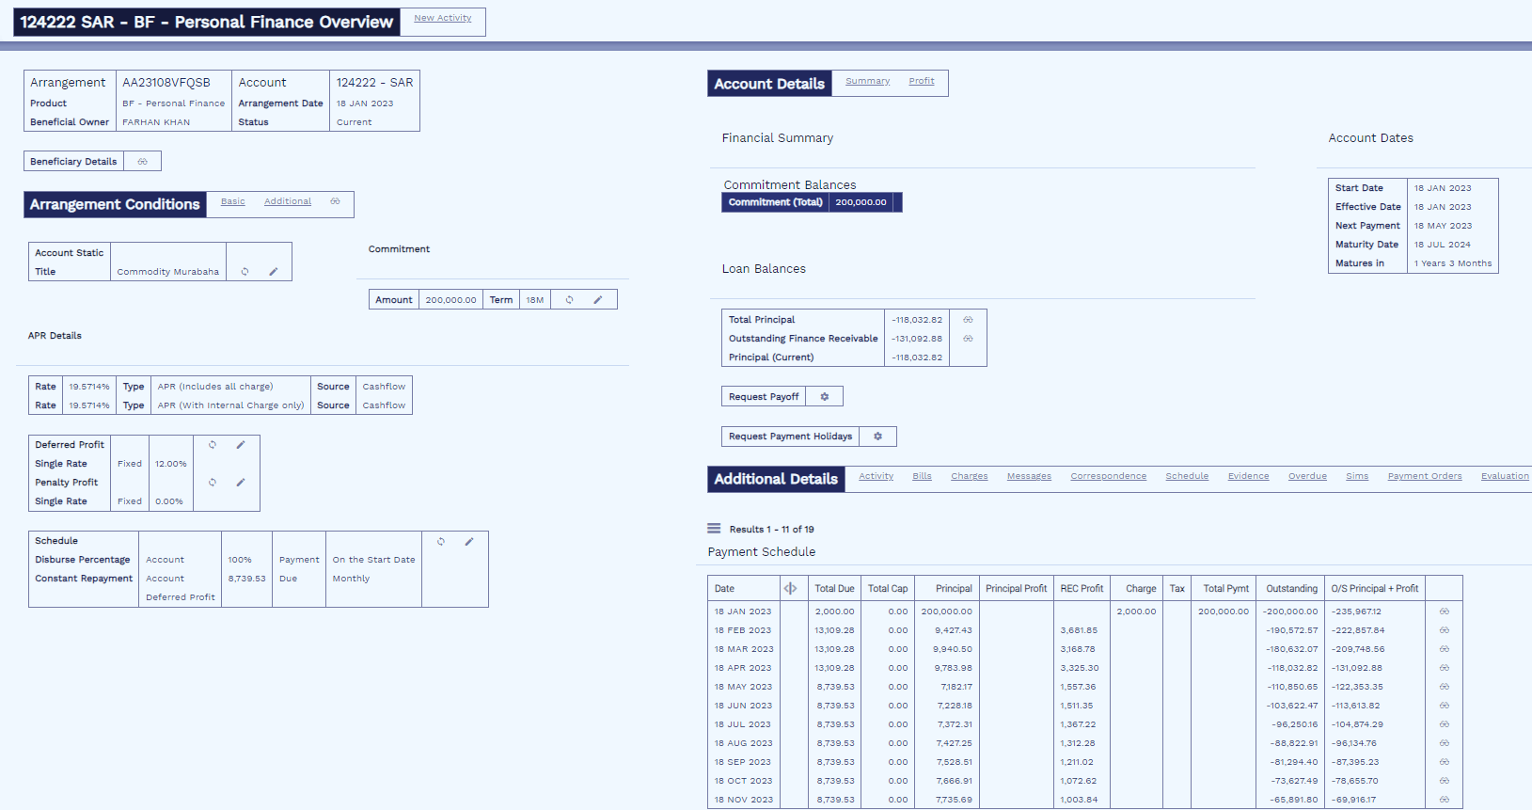
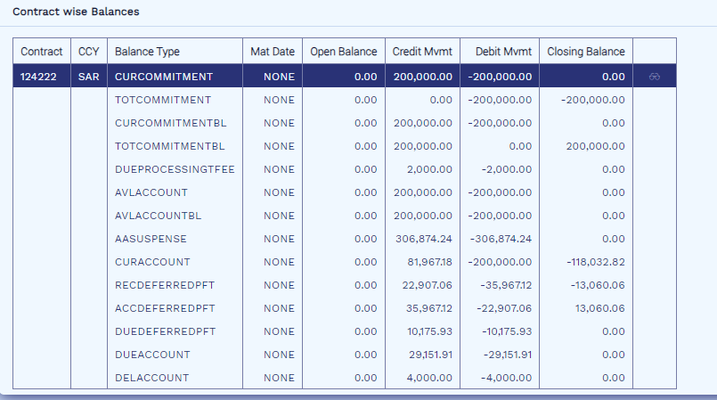

Payment Schedule
Date | Defer Date | Total Due | Total Cap | Principal | REC Profit | Charge | Tax | Total Pymt | Outstanding | O/S Principal + Profit
18-Jan-23 |  | 2,000.00 | 0 | 200,000.00 |  | 2,000.00 |  | 200,000.00 | -200,000.00 | -235,967.12
18-Feb-23 |  | 13,109.28 | 0 | 9,427.43 | 3,681.85 |  |  |  | -190,572.57 | -222,857.84
18-Mar-23 |  | 13,109.28 | 0 | 9,940.50 | 3,168.78 |  |  |  | -180,632.07 | -209,748.56
18-Apr-23 |  | 13,109.28 | 0 | 9,783.98 | 3,325.30 |  |  |  | -118,032.82 | -131,092.88
18-May-23 |  | 8,739.53 | 0 | 7,182.17 | 1,557.36 |  |  |  | -110,850.65 | -122,353.35
18-Jun-23 |  | 8,739.53 | 0 | 7,228.18 | 1,511.35 |  |  |  | -103,622.47 | -113,613.82
18-Jul-23 |  | 8,739.53 | 0 | 7,372.31 | 1,367.22 |  |  |  | -96,250.16 | -104,874.29
18-Aug-23 |  | 8,739.53 | 0 | 7,427.25 | 1,312.28 |  |  |  | -88,822.91 | -96,134.76
18-Sep-23 |  | 8,739.53 | 0 | 7,528.51 | 1,211.02 |  |  |  | -81,294.40 | -87,395.23
18-Oct-23 |  | 8,739.53 | 0 | 7,666.91 | 1,072.62 |  |  |  | -73,627.49 | -78,655.70
18-Nov-23 |  | 8,739.53 | 0 | 7,735.69 | 1,003.84 |  |  |  | -65,891.80 | -69,916.17
18-Dec-23 |  | 8,739.53 | 0 | 7,870.13 | 869.4 |  |  |  | -58,021.67 | -61,176.64
18-Jan-24 |  | 8,739.53 | 0 | 7,948.46 | 791.07 |  |  |  | -50,073.21 | -52,437.11
18-Feb-24 |  | 8,739.53 | 0 | 8,056.83 | 682.7 |  |  |  | -42,016.38 | -43,697.58
18-Mar-24 |  | 8,739.53 | 0 | 8,203.63 | 535.9 |  |  |  | -33,812.75 | -34,958.05
18-Apr-24 |  | 8,739.53 | 0 | 8,278.52 | 461.01 |  |  |  | -25,534.23 | -26,218.52
18-May-24 |  | 8,739.53 | 0 | 8,402.62 | 336.91 |  |  |  | -17,131.61 | -17,478.99
18-Jun-24 |  | 8,739.53 | 0 | 8,505.96 | 233.57 |  |  |  | -8,625.65 | -8,739.46
18-Jul-24 |  | 8,739.46 | 0 | 8,625.65 | 113.81 |  |  |  | 0 | 0
 |  |  |  |  | 23,235.99 |  | 25791.19
 |  |  |  |  | 0.00 |  | 13060.06
 |  |  |  |  | -23,235.99 |  | -12,731.13

 |  |  |  |  | Credit |  |  | Findings
Unearned Profit |  | ACCDEFERREDPFT |  |  |  |  |  | Profit reduced by recovered amount in Payment Schedule.
Profit |  | PL |  |  | 12,731.13 |  |  | Installment amount recalculated keeping the tenor of deal intact.
 |  |  |  |  |  |  |  | Recovered profit immediately taken into PL.
Arrangement Int. A/c. |  | AA SUSPENSE |  |  |  |  |  | Profit & Principal being recorded with recovered amount as per stated entries
Receivable Profit |  | RECDEFERREDPFT |  |  | 12,731.13
 |  |  |  |  |  |  |  | Challenge
Customer A/c. |  | SETTLEMENT A/C. |  |  |  |  |  | APR recalculated on revised payment schedule not considering partial payment amount.
Arrangement Int. A/c. |  | AA SUSPENSE |  |  | 12,731.13 |  |  | No reflection of partial payment on schedule

Arrangement Int. A/c. |  | AA SUSPENSE
Prinaicpal |  | CURACCOUNT |  |  | 52,815.27

Customer A/c. |  | SETTLEMENT A/C.
Arrangement Int. A/c. |  | AA SUSPENSE |  |  | 52,815.27

For Financial Institution
 |  |  |  |  | Credit
Unearned Profit |  | ACCDEFERREDPFT
Profit |  | PL |  |  | 12,731.13

Arrangement Int. A/c. |  | AA SUSPENSE
Receivable Profit |  | RECDEFERREDPFT |  |  | 12,731.13

Customer A/c. |  | SETTLEMENT A/C.
Arrangement Int. A/c. |  | AA SUSPENSE |  |  | 12,731.13

Arrangement Int. A/c. |  | AA SUSPENSE
Prinaicpal |  | CURACCOUNT |  |  | 52,815.27

Customer A/c. |  | SETTLEMENT A/C.
Arrangement Int. A/c. |  | AA SUSPENSE |  |  | 52,815.27

After Maturity Decrease 5 Months (3 of 3)

Payment Schedule
Date | Defer Date | Total Due | Total Cap | Principal | REC Profit | Charge | Tax | Total Pymt | Outstanding | O/S Principal + Profit
18-Jan-23 |  | 2,000.00 | 0 | 200,000.00 |  | 2,000.00 |  | 200,000.00 | -200,000.00 | -235,967.12
18-Feb-23 |  | 13,109.28 | 0 | 9,427.43 | 3,681.85 |  |  |  | -190,572.57 | -222,857.84
18-Mar-23 |  | 13,109.28 | 0 | 9,940.50 | 3,168.78 |  |  |  | -180,632.07 | -209,748.56
18-Apr-23 |  | 13,109.28 | 0 | 9,783.98 | 3,325.30 |  |  |  | -118,032.82 | -131,092.88
18-May-23 |  | 13,109.29 | 0 | 10,841.35 | 2,267.94 |  |  |  | -107,191.47 | -117,983.59
18-Jun-23 |  | 13,109.29 | 0 | 10,981.00 | 2,128.29 |  |  |  | -96,210.47 | -104,874.30
18-Jul-23 |  | 13,109.29 | 0 | 11,260.65 | 1,848.64 |  |  |  | -84,949.82 | -91,765.01
18-Aug-23 |  | 13,109.29 | 0 | 11,422.61 | 1,686.68 |  |  |  | -73,527.21 | -78,655.72
18-Sep-23 |  | 13,109.29 | 0 | 11,649.41 | 1,459.88 |  |  |  | -61,877.80 | -65,546.43
18-Oct-23 |  | 13,109.29 | 0 | 11,920.34 | 1,188.95 |  |  |  | -49,957.46 | -52,437.14
18-Nov-23 |  | 13,109.29 | 0 | 12,117.38 | 991.91 |  |  |  | -37,840.08 | -39,327.85
18-Dec-23 |  | 13,109.29 | 0 | 12,382.21 | 727.08 |  |  |  | -25,457.87 | -26,218.56
18-Jan-24 |  | 13,109.29 | 0 | 12,603.82 | 505.47 |  |  |  | -12,854.05 | -13,109.27
18-Feb-24 |  | 13,109.27 | 0 | 12,854.05 | 255.22 |  |  |  | 0 | 0
 |  |  |  |  | 23,235.99

DayN- APR with Flat Rate
Simulation Details
System Date | 1-Feb-24
Amount | 200,000 | Profit Start Date | 3-Feb-24
Flat Rate | 12.00% | Total Profit | 23,671.23
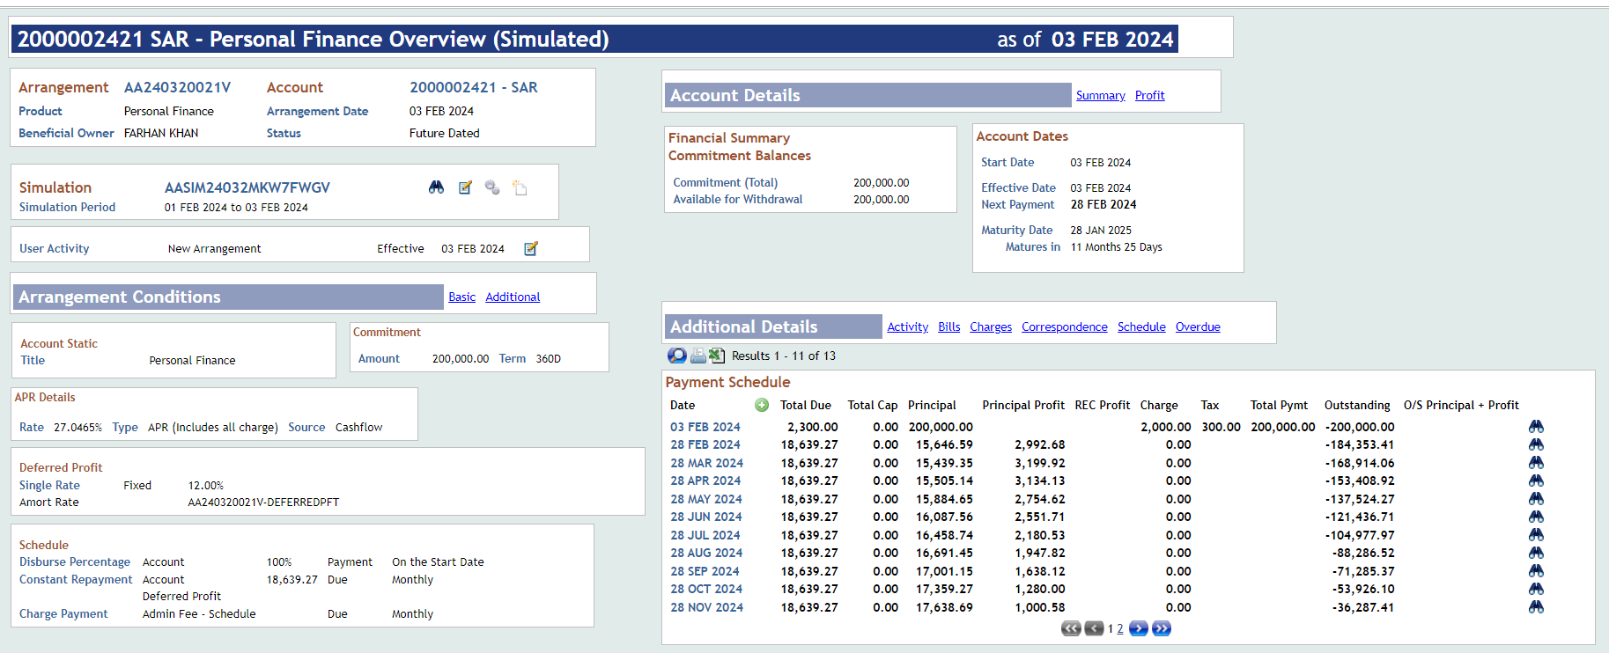
Term | 1Y | Instalment Amount | 18,639.27
1st Instalment Date | 28-Feb-24 | APR | 27.0465%
Last Intalment Date | 28-Jan-25 | IRR | 21.85%
Simulation Reference | AASIM24032MKW7FWGV | # on Accrual Days | 360 | Arrangement

Date | Defer Date | Total Due | Total Cap | Principal | Principal Profit | REC Profit | Charge | Tax | Total Pymt | Outstanding
3-Feb-24 |  | 2,300.00 | 0 | 200,000.00 |  |  | 2,000.00 | 300 | 200,000.00 | -200,000.00
28-Feb-24 | 25 | 18,639.27 | 0 | 15,646.59 | 2,992.68 | 21.85% | 0 |  |  | -184,353.41
28-Mar-24 | 29 | 18,639.27 | 0 | 15,439.35 | 3,199.92 | 21.85% | 0 |  |  | -168,914.06
28-Apr-24 | 31 | 18,639.27 | 0 | 15,505.14 | 3,134.13 | 21.85% | 0 |  |  | -153,408.92
28-May-24 | 30 | 18,639.27 | 0 | 15,884.65 | 2,754.62 | 21.85% | 0 |  |  | -137,524.27
28-Jun-24 | 31 | 18,639.27 | 0 | 16,087.56 | 2,551.71 | 21.85% | 0 |  |  | -121,436.71
28-Jul-24 | 30 | 18,639.27 | 0 | 16,458.74 | 2,180.53 | 21.85% | 0 |  |  | -104,977.97
28-Aug-24 | 31 | 18,639.27 | 0 | 16,691.45 | 1,947.82 | 21.85% | 0 |  |  | -88,286.52
28-Sep-24 | 31 | 18,639.27 | 0 | 17,001.15 | 1,638.12 | 21.85% | 0 |  |  | -71,285.37
28-Oct-24 | 30 | 18,639.27 | 0 | 17,359.27 | 1,280.00 | 21.85% | 0 |  |  | -53,926.10
28-Nov-24 | 31 | 18,639.27 | 0 | 17,638.69 | 1,000.58 | 21.85% | 0 |  |  | -36,287.41
28-Dec-24 | 30 | 18,639.27 | 0 | 17,987.69 | 651.58 | 21.85% | 0 |  |  | -18,299.72
28-Jan-25 | 31 | 18,639.26 | 0 | 18,299.72 | 339.54 | 21.85% | 0 |  |  | 0
 |  |  |  | 200,000.00 | 23,671.23 |  | 2,000.00 | 300.00

Arrangement Details
System Date | 1-Feb-24
Amount | 200,000 | Profit Start Date | 1-Feb-24
Flat Rate | 11.93% | Total Profit | 23,671.23
Term | 1Y | Instalment Amount | 18,639.27
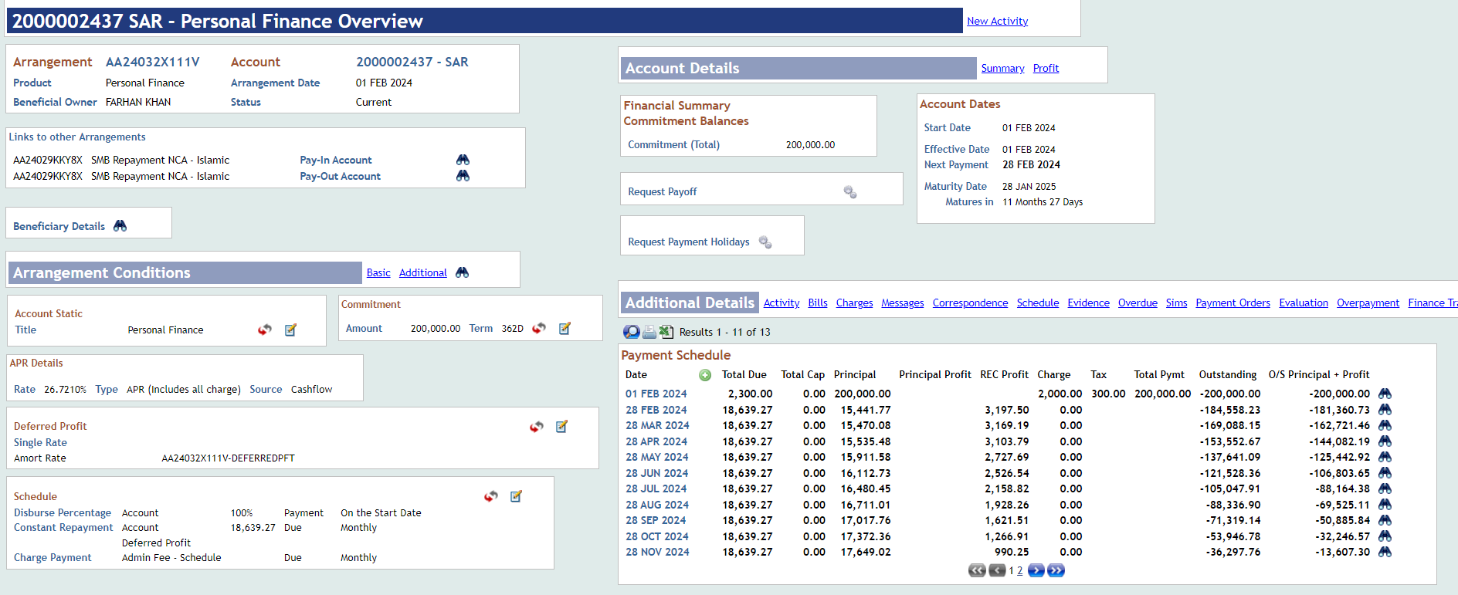
1st Instalment Date | 28-Feb-24 | APR | 26.7210%
Last Intalment Date | 28-Jan-25 | IRR | 21.61%
Arrangement Reference | AA24032X111V | # on Accrual Days | 362 |  | AASIM24032TC0MXHSX

Date | Defer Date | Total Due | Total Cap | Principal | Principal Profit | REC Profit | Charge | Tax | Total Pymt | Outstanding
1-Feb-24 |  | 2,300.00 | 0 | 200,000.00 |  |  | 2,000.00 | 300 | 200,000.00 | -200,000.00
28-Feb-24 | 27 | 18,639.27 | 0 | 15,441.77 | 21.61% | 3,197.50 | 0 |  |  | -184,558.23
28-Mar-24 | 29 | 18,639.27 | 0 | 15,470.08 | 21.61% | 3,169.19 | 0 |  |  | -169,088.15
28-Apr-24 | 31 | 18,639.27 | 0 | 15,535.48 | 21.61% | 3,103.79 | 0 |  |  | -153,552.67
28-May-24 | 30 | 18,639.27 | 0 | 15,911.58 | 21.61% | 2,727.69 | 0 |  |  | -137,641.09
28-Jun-24 | 31 | 18,639.27 | 0 | 16,112.73 | 21.61% | 2,526.54 | 0 |  |  | -121,528.36
28-Jul-24 | 30 | 18,639.27 | 0 | 16,480.45 | 21.61% | 2,158.82 | 0 |  |  | -105,047.91
28-Aug-24 | 31 | 18,639.27 | 0 | 16,711.01 | 21.61% | 1,928.26 | 0 |  |  | -88,336.90
28-Sep-24 | 31 | 18,639.27 | 0 | 17,017.76 | 21.61% | 1,621.51 | 0 |  |  | -71,319.14
28-Oct-24 | 30 | 18,639.27 | 0 | 17,372.36 | 21.61% | 1,266.91 | 0 |  |  | -53,946.78
28-Nov-24 | 31 | 18,639.27 | 0 | 17,649.02 | 21.61% | 990.25 | 0 |  |  | -36,297.76
28-Dec-24 | 30 | 18,639.27 | 0 | 17,994.48 | 21.61% | 644.79 | 0 |  |  | -18,303.28
28-Jan-25 | 31 | 18,639.26 | 0 | 18,303.28 | 21.61% | 335.98 | 0 |  |  | 0
 | 362 |  |  | 200,000.00 |  | 23,671.23

Variance Analysis | Offer Letter | Finance Arrangement | Difference
Profit Start Date | 3-Feb-24 | 1-Feb-24
Profit Amount | 23,671.23 | 23,671.23 | -
IRR | 21.85% | 21.61% | -0.23%
APR | 27.0465% | 26.7210% | -0.33%
Flat Rate | 12.00% | 11.93% | -0.07%

VAT e-invoice temp
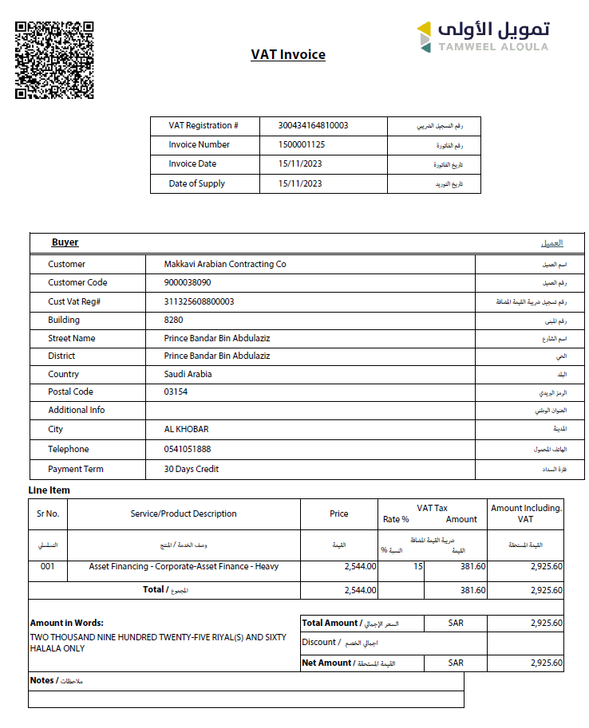

513744
